Instruction & Rules
STEP - Swan Transport Energy Performance
Nordic Ecolabelling provides this STEP tool that shall be used by the e-commerce logistic companies to demonstrate compliance with the requirements O5, O6 and O8 in the criteria for E-commerce logistics.
STEP is first filled when applying for the Nordic Swan Ecolabel, and every year at the annual follow-up of the licence (by latest 1 April).
In addition, a description of how reported data is sourced, including allocation methodology, assumptions and verifying documentation such as reports from fuel suppliers.

Guidance
All green colored cells are fillable.
Sheet "Calculation"
Row 4:
Enter the company name and the country where the company has it's legal domicile
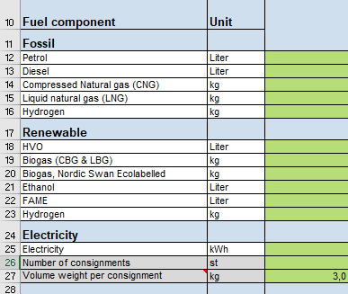
Row 12 - 25:
Fill in total amounts of different fuel components used for the e-commerce transports, both the applicants' own consumption and that of any subcontractors.
Cross-border transport must also be included, from e-commerce stores outside the country’s border, and to end consumers in another country. The requirement levels applies to the country where the company has its legal domicile.
Rules of data allocation methodology for e-commerce activities is found in Appendix 3 of the Criteria document.
Note! Fuels must be separated by their different fossil and renewable components. Example: purchased diesel must be separated and entered in both diesel, HVO and FAME. Specific data on the composition of the purchased fuel qualities shall be used. If this is not known, national average must be used. Fuels from the Swedish market only: Fuel products such as HVO97, that are included in the Swedish Reduction Quote, must be equated with the average fuel composition (vol%) in the national regulated quote.
Figures of used amounts of liquid and gaseous fuel components can be sourced both from the own consumption of fuels, and from data on driven kilometers. If kilometer data is used, the conversion to fuel amounts must be based on real measurements and experience, not on vehicle manufacturer's data. This is due to the risk of inaccuracies in the data from the manufacturer.
Electricity for electric vehicles shall be based on measured data from vehicles or charging box. If this is not available it is allowed to estimate the electricity consumption, preferably based on driven kilometers. It is optional to include electricity from train transportation.
Row 26-27:
Fill in the total amount of e-commerce consignments. One consignment = The total amount of freight that the e-commerce consumer has ordered at one single transaction.
Fill in your company's average volume weight per e-commerce consignment (volume weight = m3 * 280kg/m3)
Sheet "Coefficients"
It is permitted to use other well-to-wheel (lifecycle) emission coefficients for liquid and gaseous biofuels than those stated in column E, if a certificate from the fuel company, for example fuel report, can be presented.
It is not allowed to change the emission factors for electricity or fossil fuels.
Data quality:
The licensee must check information from subcontractors at least through an annual sample audit.
All data must be available for audits.

