Instruction & Rules
STEP - Swan Transport Energy Performance
Nordic Ecolabelling provides STEP that shall be used by the e-commerce logistic companies to demonstrate compliance with the requirements O5-O7 in the criteria for E-commerce logistics.
STEP is first filled when applying for the Nordic Swan Ecolabel, and every year at the annual follow-up of the licence (by latest 1 April).
In addition, a description of how reported data is sourced, including allocation methodology, assumtions and verifying documentation such as reports from fuel suppliers.

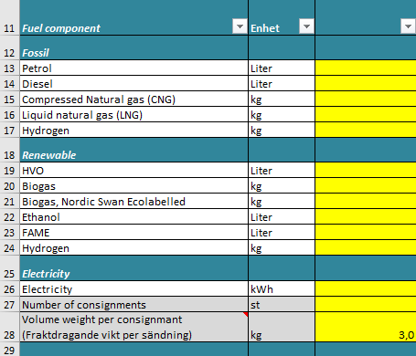
Guidance:
All yellow colored cells are fillable.
"Calculation" sheet
Row 13 - 24:
Fill in total amounts of different fuel components used for the e-commerce transports, both the applicants' own consumtion and that of any subcontractors. If injections exceed 5 % of the total transport energy, the fuel for injections shall be included.
Note! Fuels must be separated by their different fossil and renewable components. Example: purchased Diesel must be separated and entered in both Diesel, HVO and FAME. Specific data on the composition of the purchased fuel qualities shall be used. If this is not known, national average must be used.
Rules of data allocation methodology for e-commerce activities is found in Appendix 3 of the Criteria document.
Figures on used amounts of liquid and gaseous fuel components can be sourced both from the own consumtion of fuels, and from data on driven kilometers. If kilometer data is used, the conversion to fuel amounts must be based on real measurements and experience, not on vehicle manufacturer's data. This is due to the risk of inaccurcies in the data from the manufacturer.
Electricity for electric vehicles shall be based on measured data from vehicles or charging box. If this is not available it is allowed to estimate the electricity consumtion, preferably based on driven kilometers. It is optional to include electricity from train transportation.
Row 27-28:
Fill in the total amount of e-commerce consignments. One consignment = The total amount of freight that the e-commerce consumer has ordered at one single transaction.
Fill in your company's average volume weight per e-commerce consignment (volume weight = m3 * 280kg/m3)
"Coefficients" sheet
It is permitted to use other well-to-wheel (lifecycle) emission coefficients for liquid and gaseous biofuels than those stated in column E, if a certificate from the fuel company, for example fuel report can be presented.
It is not allowed to change the emission factors for electricity or fossil fuels.

Data quality:
The licensee must check information from subcontractors at least through an annual sample audit.
All data must be available for audits.

Calculation
STEP - Swan Transport Energy Performance

Company name | Country
 | FI | 2022 | 2023 | 2024 | 2025 | 2026
Renewable energy %
Energy, kWh/consignment
Total CO2-emissions, kg CO2e
kg CO2e/consignment
Limit Renewable Energy % |  | 30% | 30% | 30% | 45% | 45%
Limit kWh/consignment |  | 2.3 | 2.3 | 2.3 | 2.3 | 2.3
Fuel component | Enhet
Fossil
Petrol | Liter
Diesel | Liter
Compressed Natural gas (CNG) | kg
Liquid natural gas (LNG) | kg
Hydrogen | kg
Renewable
HVO | Liter
Biogas | kg
Biogas, Nordic Swan Ecolabelled | kg
Ethanol | Liter
FAME | Liter
Hydrogen | kg
Electricity
Electricity | kWh
Number of consignments | st
Volume weight per consignment (Fraktdragande vikt per sändning) | kg | 3.0 | 3.0 | 3.0 | 3.0 | 3.0

Olika krav för last mile och linehaul...
Tidsserie...
Elens utsläppsfaktor, nordisk elmix... Lågt jämfört med => bränsle men inte kunna köpa sig fri...
Räkna upp till och från transporter för de som köper in alla transporter.
Kravgräns, vi ska arbeta för att ha en kvalgtäns för alla länder.
Pilotföretag
Redovisa CO2 WTW årsvis.
Årlig förbättring jmf med basåret. Företaget får inte visa negativt resultat 2 år i rad...
Ev använda svenska utsläppsfaktorer

